Sheet1
 | Document No. |  | Issue No. | Issue Date |  | Review and Replace Date |  |  |  | Authorised By
 | GFF195MC |  | 3 | 14.09.2020 |  | 22.12.2021 |  |  |  | Magda Shah
 | Document Title |  | Lamb Samosa 100g
Document amendments reason for change | Film Updated |  |  |  | Page 1 of 1 |  | Previous Issue Date |  | 22.02.2021 | Uncontrolled copy unless signed original

CLSAL1-G6TEB |  | BOOTHS | Lamb Samosa 100g
STEP 1 |  |  | STEP 2 |  |  |  |  | STEP 3
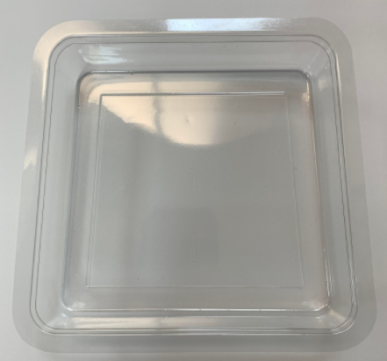 |  |  | 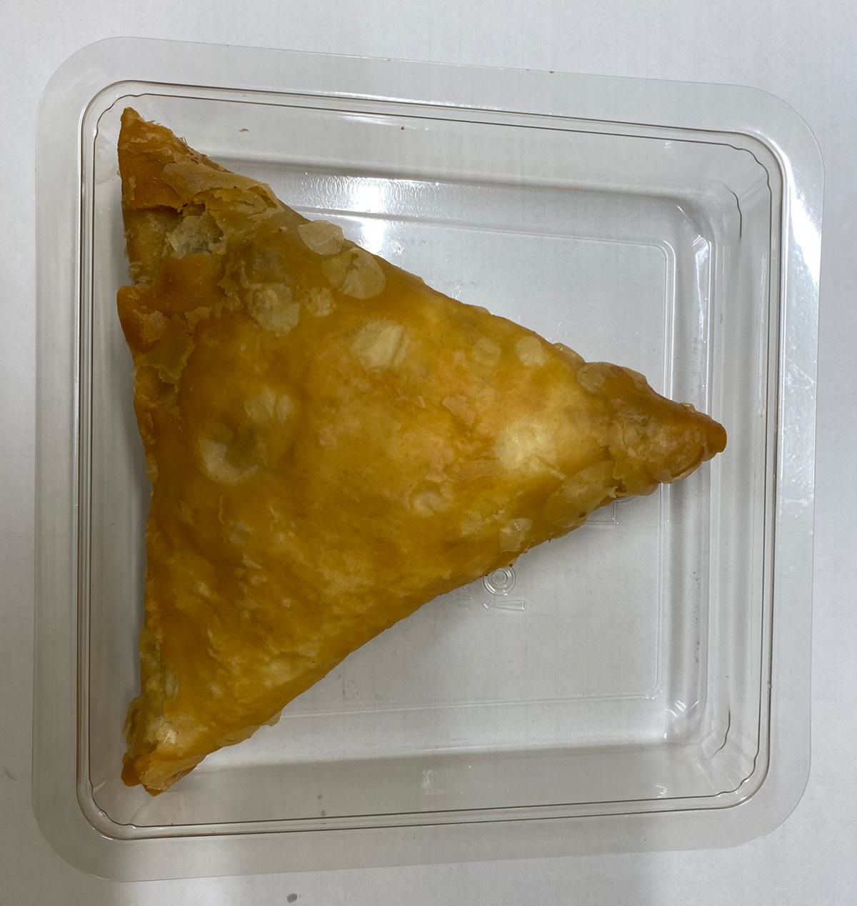 |  |  |  |  | 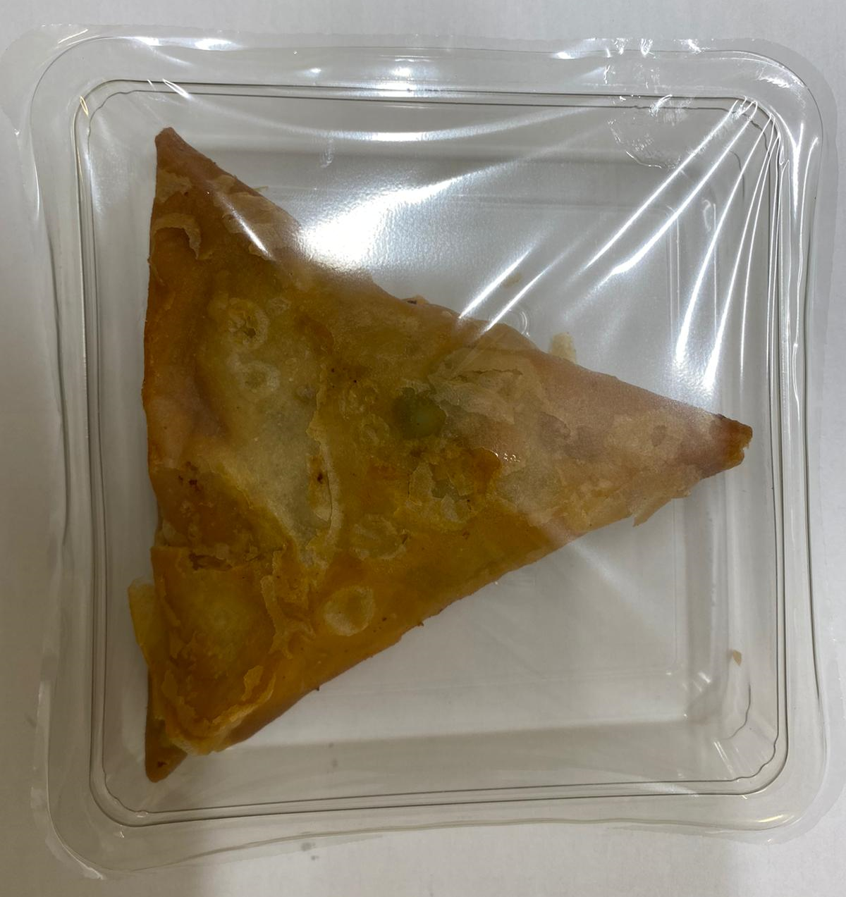

Tray: Trapezoid (PKLEE001-02) |  |  | Lamb Samosa Large (GFF005R): 100g (1 piece) |  |  |  |  | TOTAL WEIGHT: 100g
Film: K-PEEL 7G+ AF 25 (250mm x 1000)(PKKMP001-01)

ALLERGY ALERT: WHEAT, SOYA

